Sheet1
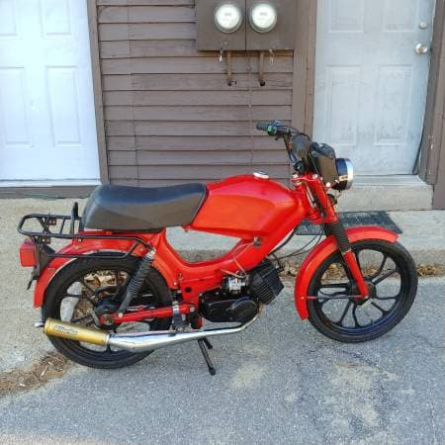

Expenses

Date | Description of Expense | Cost ($USD) | Quantity | Shipping | Purchased by | Link
2019-04-07 | Initial Purchase | $700.00 | 1x | $0.00 | Thomas C | n.a
2019-04-07 | Transportation (UHAUL) | $80.00 | 1x | $0.00 | Thomas C | n.a
2019-04-07 | Tires | $28.00 | 2x | $10.00 | William C | https://www.amazon.com/Shinko-SR714-Front-2-25-16-Moped/dp/B00274F0G6
2019-04-07 | Tire Tube | $15.00 | 2x | $10.00 | William C | https://www.amazon.com/BikeMaster-Tube-Straight-Metal-2-50-16/dp/B001A6D0R8/ref=pd_bxgy_img_2/131-2066156-0745907?_encoding=UTF8&pd_rd_i=B001A6D0R8&pd_rd_r=b0bcf73e-5a23-11e9-8230-4d773af4cdcd&pd_rd_w=o8BJi&pd_rd_wg=cGl1K&pf_rd_p=a2006322-0bc0-4db9-a08e-d168c18ce6f0&pf_rd_r=43K0ASKSSXTRCWNZ4C8S&psc=1&refRID=43K0ASKSSXTRCWNZ4C8S
2019-04-07 | Rim Strips | $5.50 | 2x | $10.00 | William C | https://www.amazon.com/IRC-Rim-Strips-16/dp/B001DDF4L8/ref=pd_bxgy_img_3/131-2066156-0745907?_encoding=UTF8&pd_rd_i=B001DDF4L8&pd_rd_r=b0bcf73e-5a23-11e9-8230-4d773af4cdcd&pd_rd_w=o8BJi&pd_rd_wg=cGl1K&pf_rd_p=a2006322-0bc0-4db9-a08e-d168c18ce6f0&pf_rd_r=43K0ASKSSXTRCWNZ4C8S&psc=1&refRID=43K0ASKSSXTRCWNZ4C8S
2019-04-09 | Tire Iron | $16.00 | 1x | $0.00 | Thomas C | https://www.amazon.com/gp/product/B071YLDTW9/ref=ox_sc_act_title_1?smid=A2IU5AHCG4DBD4&psc=1
2019-04-10 | Engine Oil | $15.00 | 1x | $0.00 | Thomas C | https://www.amazon.com/Lucas-Oil-10115-4PK-Semi-Synthetic-2-Cycle/dp/B0002KKTWC/ref=sr_1_13?keywords=lucas%2Bengine%2Boil&qid=1554781907&s=gateway&sr=8-13&th=1

To be purchased

 | Description of Expense | Cost ($USD) | Quantity | To be purchased by | Link
 | Tire Replacement |  | 1x | Thomas C | tbd.
 | UNH DMV Registration |  | 1x | Thomas C | https://www.nh.gov/safety/divisions/dmv/registration/index.htm
 | Summer Moped Parking Pass | $30.00 | 1x | Thomas C | https://www.unh.edu/transportation/moped-permits
 | Chain Link |  | 1x | Thomas C | tbd.
 | Lock |  | 1x | Thomas C | tbd.
 | Running Board (Right) | $36.00 | 1x | Thomas C | https://www.treatland.tv/original-OEM-tomos-running-board-right-side-p/tomos-oem-running-board-229867.htm
 | Running Board (Left) | $36.00 | 1x | Thomas C | https://www.treatland.tv/original-OEM-tomos-running-board-left-side-p/tomos-oem-running-board-229868.htm
 | Tail Light (Turn Signal) | $20.00 | 2x | Thomas C | https://www.treatland.tv/original-tomos-turn-signal-p/tomos-turnsignal-230651-230650.htm
 | Front Fender | $20.00 | 1x | Thomas C | https://www.treatland.tv/tomos-OEM-03-06-sprint-lx-FRONT-fender-RED-p/tomos-oem-fender-242130red.htm
 | Front Fender Stay | $10.00 | 1x | Thomas C | https://www.treatland.tv/tomos-OEM-fender-stay-LOWER-RED-p/tomos-fender-stay-242128red.htm
 | Kickstand | $20.00 | 1x | Thomas C | https://www.mopeddivision.com/tomos-a35-center-kickstand/
 | Kickstand Center Spring | $4.00 | 1x | Thomas C | https://www.mopeddivision.com/tomos-center-stand-spring-replacement/
 | Mirrors | $37.00 | 1x | Thomas C | https://www.mopeddivision.com/kinetic-moped-rectangular-threaded-10mm-mirror-set-universal-black-chrome/

